Planilha1
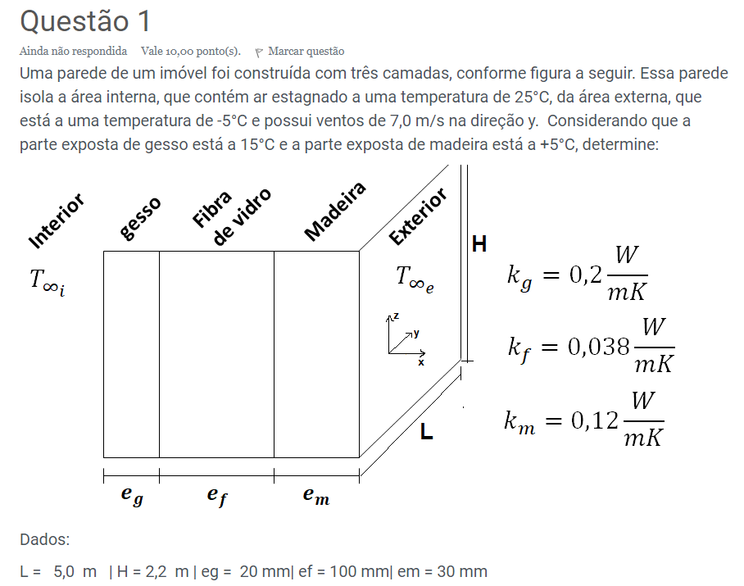
 |  |  |  |  |  | Preencher dados da tabela:

 |  |  |  |  |  | Tf = | 15 | °C | Ra = | 1.75E+10 | Mista
 |  |  |  |  |  | ρ = | 1.2095 | kg/m³ | Nuz = | 302.33
 |  |  |  |  |  | μ = | 0.00001805 | Pa.s
 |  |  |  |  |  | Pr = | 0.73055
 |  |  |  |  |  | α = | 0.00002039 | m²/s | (a) | h = | 2.9949 | W/(m².K)
 |  |  |  |  |  | k = | 0.024765 | W/(m.K)
 |  |  |  |  |  | ν = | 1.4923522117E-05
 |  |  |  |  |  | β = | 0.0034704147146 | °C-1

 |  |  |  |  |  | Preencher dados da tabela:

 |  |  |  |  |  | Tf = | 0 | °C | ReL = | 2210982.659
 |  |  |  |  |  | ρ = | 1.275 | kg/m³ | NuL = | 3187.5946427
 |  |  |  |  |  | μ = | 0.0000173 | Pa.s
 |  |  |  |  |  | Pr = | 0.7343 |  | (b) | h = | 15.0709 | W/(m².K)
 |  |  |  |  |  | k = | 0.02364 | W/(m.K)
Tinf i = | 20 | °C
Tinf e = | -5 | °C
V = | 6 | m/s |  |  |  | As = | 12.5 | m² | (c) | Q = | 5.4475 | W/m²
Tg e = | 10 | °C |  |  |  | Rcv i = | 0.33390649488 | K/W
Tm e = | 5 | °C |  |  |  | Rcv e = | 0.066352828975 | K/W | (d) | θ = | 21.5031 | °C
kg = | 0.2 | W/(m.K) |  |  |  | Rcd g = | 0.075 | K/W
kf = | 0.038 | W/(m.K) |  |  |  | Rcd f = | 3.9473684211 | K/W
km = | 0.12 | W/(m.K) |  |  |  | Rcd m = | 0.16666666667 | K/W
L = | 5 | m
H = | 2.5 | m
eg = | 15 | mm | = | 0.015 | m
ef = | 150 | mm | = | 0.15 | m
em = | 20 | mm | = | 0.02 | m

